Spline
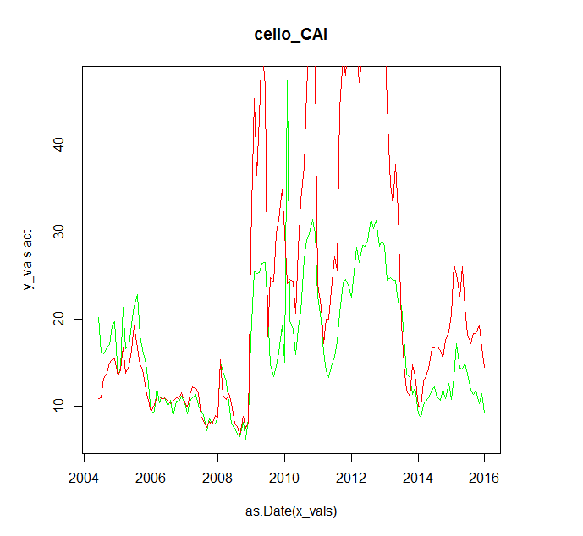
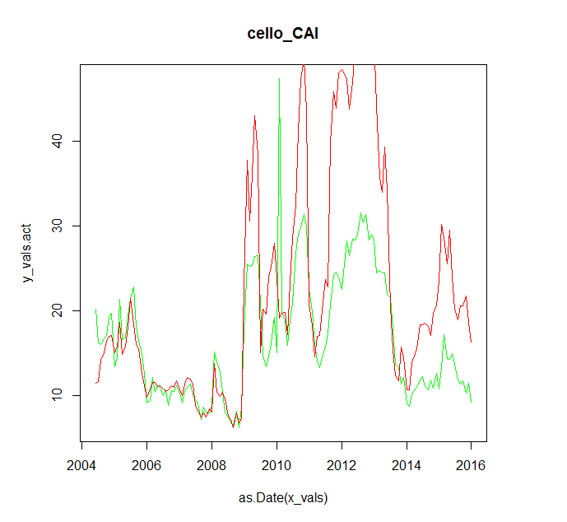
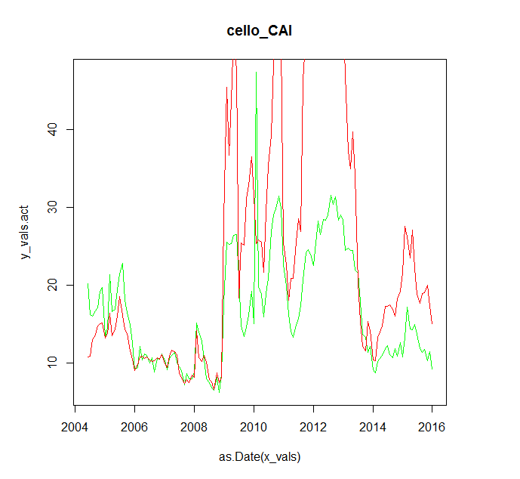
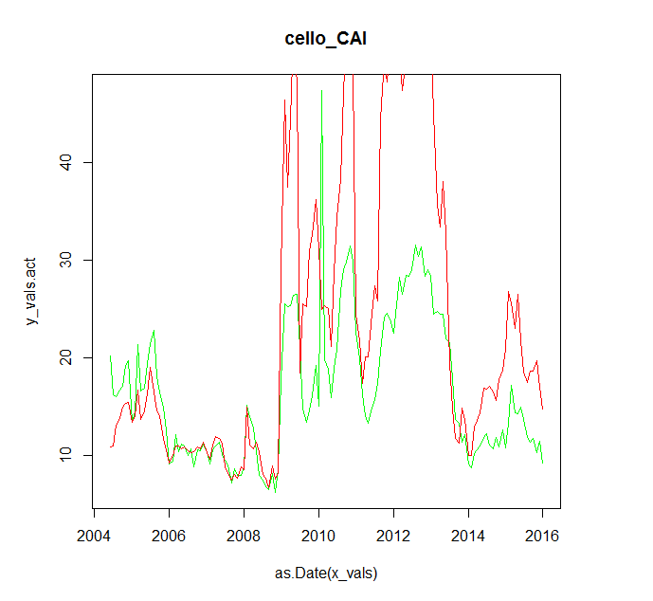
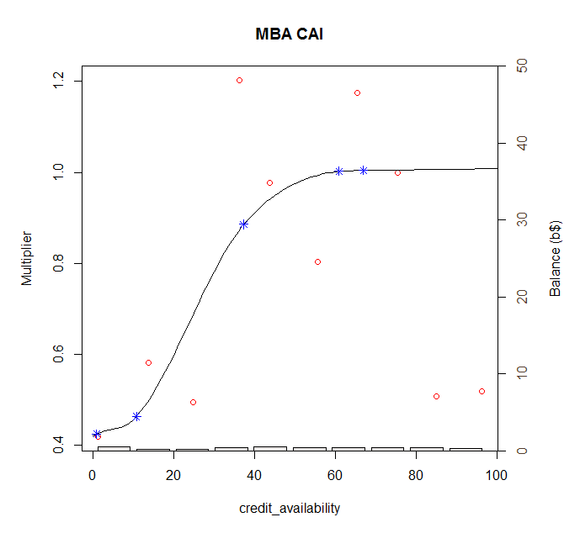
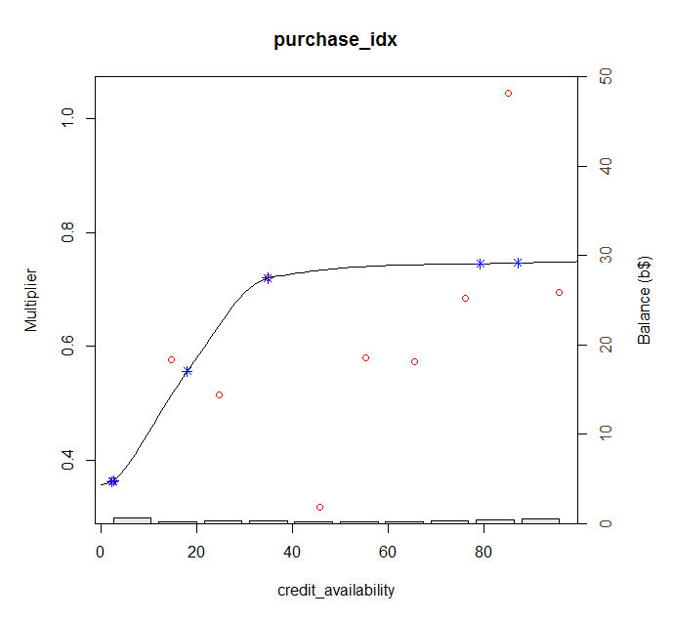
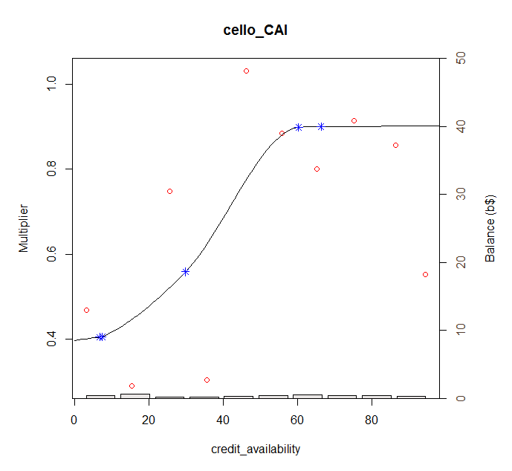
 | hpa2yr | mba_CAI | purchase_idx | cello_CAI
0 | 0.593760472 | 0.810258521 | 0.8695775 | 0.81608726
1 | 0.599894106 | 0.812485125 | 0.86957821269 | 0.81753308
2 | 0.60602774 | 0.814711729 | 0.86957892538 | 0.8189789
3 | 0.612161374 | 0.816938333 | 0.86957963807 | 0.82042472
4 | 0.618295008 | 0.819164937 | 0.86958035076 | 0.82187054
5 | 0.624428642 | 0.821391541 | 0.86958106345 | 0.82331636
6 | 0.630562276 | 0.823618145 | 0.86958177614 | 0.82476218
7 | 0.63669591 | 0.825844749 | 0.86958248883 | 0.826208
8 | 0.642829544 | 0.828071353 | 0.86958320152 | 0.82765382
9 | 0.648963178 | 0.830297957 | 0.86958391421 | 0.82909964
10 | 0.655096812 | 0.832524561 | 0.8695846269 | 0.83054546
11 | 0.661230446 | 0.834751165 | 0.86958533959 | 0.83199128
12 | 0.66736408 | 0.836977769 | 0.86958605228 | 0.8334371
13 | 0.673497714 | 0.839204373 | 0.86958676496 | 0.83488292
14 | 0.679631348 | 0.841430977 | 0.86958747765 | 0.83632874
15 | 0.685764982 | 0.843657581 | 0.86958819034 | 0.83777456
16 | 0.691898616 | 0.845884185 | 0.86958890303 | 0.83922038
17 | 0.69803225 | 0.848110789 | 0.86958961572 | 0.8406662
18 | 0.704165884 | 0.850337393 | 0.86959032841 | 0.84211202
19 | 0.710299518 | 0.852563997 | 0.8695910411 | 0.84355784
20 | 0.716433152 | 0.854790601 | 0.86959175379 | 0.84500366
21 | 0.722566786 | 0.857017205 | 0.86959246648 | 0.84644948
22 | 0.72870042 | 0.859243809 | 0.86959317917 | 0.8478953
23 | 0.734834054 | 0.861470413 | 0.86959389186 | 0.84934112
24 | 0.740967688 | 0.863697017 | 0.86959460455 | 0.85078694
25 | 0.747101322 | 0.865923621 | 0.86959531724 | 0.85223276
26 | 0.753234956 | 0.868150225 | 0.86959602993 | 0.85367858
27 | 0.75936859 | 0.870376829 | 0.86959674262 | 0.8551244
28 | 0.765502224 | 0.872603433 | 0.86959745531 | 0.85657022
29 | 0.771635858 | 0.874830037 | 0.869598168 | 0.85801604
30 | 0.777769492 | 0.877056641 | 0.86959888069 | 0.85946186
31 | 0.783903126 | 0.879283245 | 0.86959959338 | 0.86090768
32 | 0.79003676 | 0.881509849 | 0.86960030607 | 0.8623535
33 | 0.796170394 | 0.883736453 | 0.86960101876 | 0.86379932
34 | 0.802304028 | 0.885963057 | 0.86960173145 | 0.86524514
35 | 0.808437662 | 0.888189661 | 0.86960244414 | 0.86669096
36 | 0.814571296 | 0.890416265 | 0.86960315683 | 0.86813678
37 | 0.82070493 | 0.892642869 | 0.86960386952 | 0.8695826
38 | 0.826838564 | 0.894869473 | 0.8696045822 | 0.87102842
39 | 0.832972198 | 0.897096077 | 0.86960529489 | 0.87247424
40 | 0.839105832 | 0.899322681 | 0.86960600758 | 0.87392006
41 | 0.845239466 | 0.901549285 | 0.86960672027 | 0.87536588
42 | 0.8513731 | 0.903775889 | 0.86960743296 | 0.8768117
43 | 0.857506734 | 0.906002493 | 0.86960814565 | 0.87825752
44 | 0.863640368 | 0.908229097 | 0.86960885834 | 0.87970334
45 | 0.869774002 | 0.910455701 | 0.86960957103 | 0.88114916
46 | 0.875907636 | 0.912682305 | 0.86961028372 | 0.88259498
47 | 0.88204127 | 0.914908909 | 0.86961099641 | 0.8840408
48 | 0.888174904 | 0.917135513 | 0.8696117091 | 0.88548662
49 | 0.894308538 | 0.919362117 | 0.86961242179 | 0.88693244
...

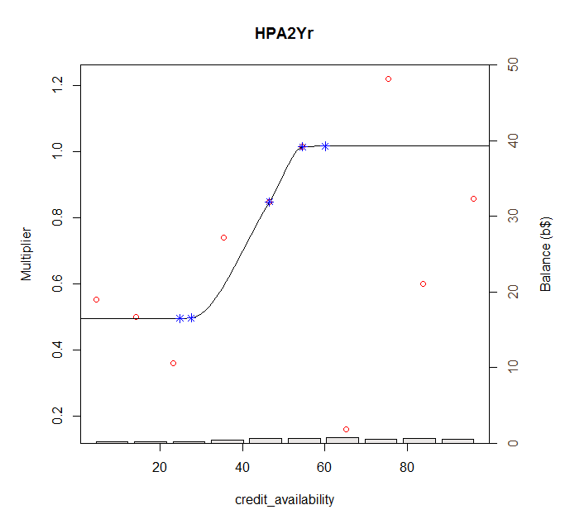

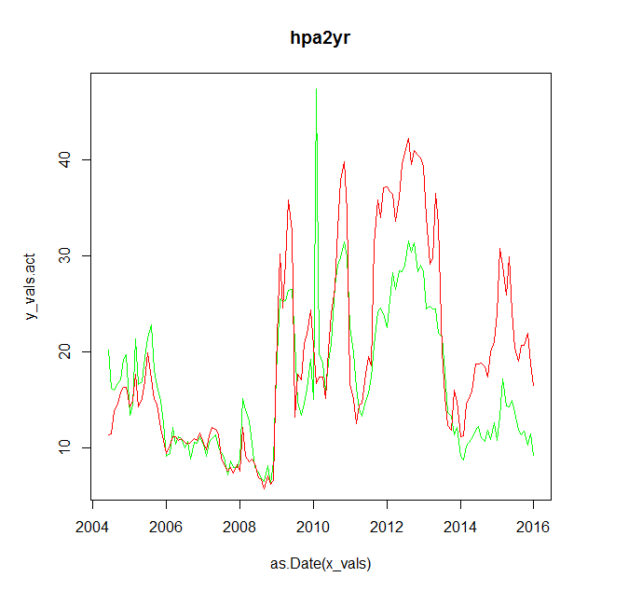
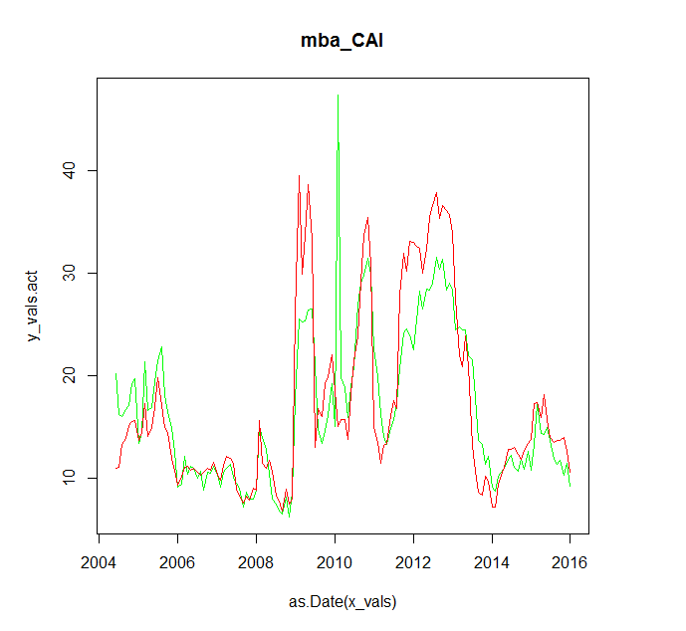
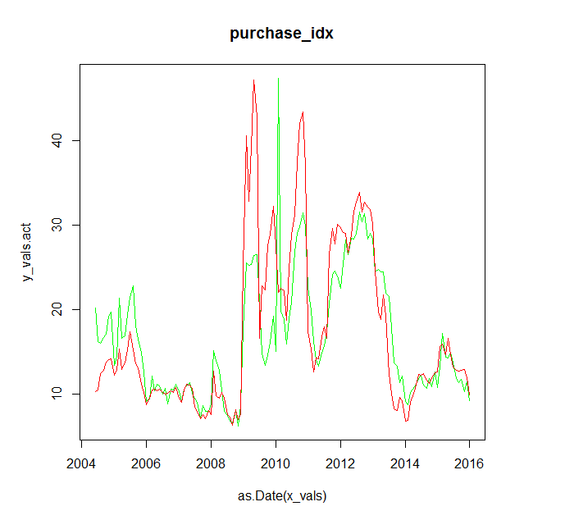
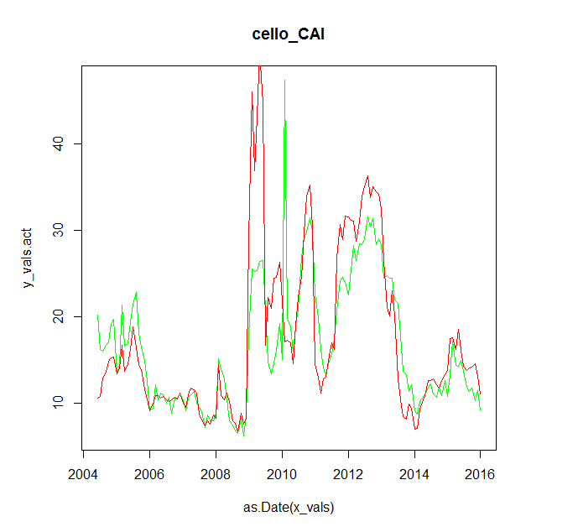

 |  |  | 0.07801405
0.07903859 | 0.07767109 | 0.07797998 | 7.801405
7.903859 | 7.767109 | 7.797998

Linear
 | hpa2yr | mba_CAI | purchase_idx | cello_CAI |  | (Intercept) | credit_availability | R-squared | RMSE |  | (Intercept) | credit_availability | R-squared |  |  | (Intercept) | credit_availability | R-squared
0 | 0.593760472 | 0.810258521 | 0.8695775 | 0.81608726 | hpa2yr | 0.59376 | 0.00613 | 0.00691 | 0.08340 | hpa2yr | 0.906641379 | 0.002009347 | 0.00005304 |  | hpa2yr | 0.412883318 | 0.009889036 | 5.70E-04 | 0.08025404
1 | 0.599894106 | 0.812485125 | 0.86957821269 | 0.81753308 | mba_CAI | 0.81026 | 0.00223 | 0.00117 | 0.08262 | mba_CAI | 0.990582 | 9.272671E-05 | 0.000000148 |  | mba_CAI | 0.750187520 | 0.004030628 | 1.21E-04 | 0.08166759
2 | 0.60602774 | 0.814711729 | 0.86957892538 | 0.8189789 | purchase_idx | 0.86958 | 0.00000 | 0.00000 | 0.08362 | purchase_idx | 0.94588716 | 0.001137141 | 0.00002592 |  | purchase_idx | 0.717583928 | 0.003517665 | 1.14E-04 | 0.08107517
3 | 0.612161374 | 0.816938333 | 0.86957963807 | 0.82042472 | cello_CAI | 0.81609 | 0.00145 | 0.00052 | 0.08289 | cello_CAI | 1.032405172 | -0.001006681 | 0.00001825 |  | cello_CAI | 0.754300000 | 0.002791188 | 6.18E-05 | 0.08203438
4 | 0.618295008 | 0.819164937 | 0.86958035076 | 0.82187054
5 | 0.624428642 | 0.821391541 | 0.86958106345 | 0.82331636
6 | 0.630562276 | 0.823618145 | 0.86958177614 | 0.82476218
7 | 0.63669591 | 0.825844749 | 0.86958248883 | 0.826208
8 | 0.642829544 | 0.828071353 | 0.86958320152 | 0.82765382 |  |  |  |  |  |  | (Intercept) | credit_availability | R-squared | RMSE
9 | 0.648963178 | 0.830297957 | 0.86958391421 | 0.82909964 |  |  |  |  |  | hpa2yr | 0.593760472 | 0.006133634 | 0.006912 | 0.08139797
10 | 0.655096812 | 0.832524561 | 0.8695846269 | 0.83054546 |  |  |  |  |  | mba_CAI | 0.810258521 | 0.002226604 | 0.001169 | 0.08262396
11 | 0.661230446 | 0.834751165 | 0.86958533959 | 0.83199128 |  |  |  |  |  | purchase_idx | 0.8695775 | 7.126896E-07 | 1.476E-10 | 0.08362223
12 | 0.66736408 | 0.836977769 | 0.86958605228 | 0.8334371 |  |  |  |  |  | cello_CAI | 0.81608726 | 0.00144582 | 0.0005231 | 0.08288531
13 | 0.673497714 | 0.839204373 | 0.86958676496 | 0.83488292
14 | 0.679631348 | 0.841430977 | 0.86958747765 | 0.83632874
15 | 0.685764982 | 0.843657581 | 0.86958819034 | 0.83777456
16 | 0.691898616 | 0.845884185 | 0.86958890303 | 0.83922038
17 | 0.69803225 | 0.848110789 | 0.86958961572 | 0.8406662
18 | 0.704165884 | 0.850337393 | 0.86959032841 | 0.84211202
19 | 0.710299518 | 0.852563997 | 0.8695910411 | 0.84355784
20 | 0.716433152 | 0.854790601 | 0.86959175379 | 0.84500366
21 | 0.722566786 | 0.857017205 | 0.86959246648 | 0.84644948
22 | 0.72870042 | 0.859243809 | 0.86959317917 | 0.8478953
23 | 0.734834054 | 0.861470413 | 0.86959389186 | 0.84934112
24 | 0.740967688 | 0.863697017 | 0.86959460455 | 0.85078694
25 | 0.747101322 | 0.865923621 | 0.86959531724 | 0.85223276
26 | 0.753234956 | 0.868150225 | 0.86959602993 | 0.85367858
27 | 0.75936859 | 0.870376829 | 0.86959674262 | 0.8551244
28 | 0.765502224 | 0.872603433 | 0.86959745531 | 0.85657022
29 | 0.771635858 | 0.874830037 | 0.869598168 | 0.85801604
30 | 0.777769492 | 0.877056641 | 0.86959888069 | 0.85946186
31 | 0.783903126 | 0.879283245 | 0.86959959338 | 0.86090768
32 | 0.79003676 | 0.881509849 | 0.86960030607 | 0.8623535
33 | 0.796170394 | 0.883736453 | 0.86960101876 | 0.86379932
34 | 0.802304028 | 0.885963057 | 0.86960173145 | 0.86524514
35 | 0.808437662 | 0.888189661 | 0.86960244414 | 0.86669096
36 | 0.814571296 | 0.890416265 | 0.86960315683 | 0.86813678
37 | 0.82070493 | 0.892642869 | 0.86960386952 | 0.8695826
38 | 0.826838564 | 0.894869473 | 0.8696045822 | 0.87102842
39 | 0.832972198 | 0.897096077 | 0.86960529489 | 0.87247424
40 | 0.839105832 | 0.899322681 | 0.86960600758 | 0.87392006
41 | 0.845239466 | 0.901549285 | 0.86960672027 | 0.87536588
42 | 0.8513731 | 0.903775889 | 0.86960743296 | 0.8768117
43 | 0.857506734 | 0.906002493 | 0.86960814565 | 0.87825752
44 | 0.863640368 | 0.908229097 | 0.86960885834 | 0.87970334
45 | 0.869774002 | 0.910455701 | 0.86960957103 | 0.88114916
46 | 0.875907636 | 0.912682305 | 0.86961028372 | 0.88259498
47 | 0.88204127 | 0.914908909 | 0.86961099641 | 0.8840408
48 | 0.888174904 | 0.917135513 | 0.8696117091 | 0.88548662
49 | 0.894308538 | 0.919362117 | 0.86961242179 | 0.88693244
50 | 0.900442172 | 0.921588721 | 0.86961313448 | 0.88837826
51 | 0.906575806 | 0.923815325 | 0.86961384717 | 0.88982408
52 | 0.91270944 | 0.926041929 | 0.86961455986 | 0.8912699
53 | 0.918843074 | 0.928268533 | 0.86961527255 | 0.89271572
54 | 0.924976708 | 0.930495137 | 0.86961598524 | 0.89416154
55 | 0.931110342 | 0.932721741 | 0.86961669793 | 0.89560736
56 | 0.937243976 | 0.934948345 | 0.86961741062 | 0.89705318
57 | 0.94337761 | 0.937174949 | 0.86961812331 | 0.898499
58 | 0.949511244 | 0.939401553 | 0.869618836 | 0.89994482
59 | 0.955644878 | 0.941628157 | 0.86961954869 | 0.90139064
60 | 0.961778512 | 0.943854761 | 0.86962026138 | 0.90283646
61 | 0.967912146 | 0.946081365 | 0.86962097407 | 0.90428228
62 | 0.97404578 | 0.948307969 | 0.86962168676 | 0.9057281
63 | 0.980179414 | 0.950534573 | 0.86962239944 | 0.90717392
64 | 0.986313048 | 0.952761177 | 0.86962311213 | 0.90861974
65 | 0.992446682 | 0.954987781 | 0.86962382482 | 0.91006556
66 | 0.998580316 | 0.957214385 | 0.86962453751 | 0.91151138
67 | 1.00471395 | 0.959440989 | 0.8696252502 | 0.9129572
68 | 1.010847584 | 0.961667593 | 0.86962596289 | 0.91440302
69 | 1.016981218 | 0.963894197 | 0.86962667558 | 0.91584884
70 | 1.023114852 | 0.966120801 | 0.86962738827 | 0.91729466
71 | 1.029248486 | 0.968347405 | 0.86962810096 | 0.91874048
72 | 1.03538212 | 0.970574009 | 0.86962881365 | 0.9201863
73 | 1.041515754 | 0.972800613 | 0.86962952634 | 0.92163212
74 | 1.047649388 | 0.975027217 | 0.86963023903 | 0.92307794
75 | 1.053783022 | 0.977253821 | 0.86963095172 | 0.92452376
76 | 1.059916656 | 0.979480425 | 0.86963166441 | 0.92596958
77 | 1.06605029 | 0.981707029 | 0.8696323771 | 0.9274154
78 | 1.072183924 | 0.983933633 | 0.86963308979 | 0.92886122
79 | 1.078317558 | 0.986160237 | 0.86963380248 | 0.93030704
80 | 1.084451192 | 0.988386841 | 0.86963451517 | 0.93175286
81 | 1.090584826 | 0.990613445 | 0.86963522786 | 0.93319868
82 | 1.09671846 | 0.992840049 | 0.86963594055 | 0.9346445
83 | 1.102852094 | 0.995066653 | 0.86963665324 | 0.93609032
84 | 1.108985728 | 0.997293257 | 0.86963736593 | 0.93753614
85 | 1.115119362 | 0.999519861 | 0.86963807862 | 0.93898196
86 | 1.121252996 | 1.001746465 | 0.86963879131 | 0.94042778
87 | 1.12738663 | 1.003973069 | 0.869639504 | 0.9418736
88 | 1.133520264 | 1.006199673 | 0.86964021668 | 0.94331942
89 | 1.139653898 | 1.008426277 | 0.86964092937 | 0.94476524
90 | 1.145787532 | 1.010652881 | 0.86964164206 | 0.94621106
91 | 1.151921166 | 1.012879485 | 0.86964235475 | 0.94765688
92 | 1.1580548 | 1.015106089 | 0.86964306744 | 0.9491027
93 | 1.164188434 | 1.017332693 | 0.86964378013 | 0.95054852
94 | 1.170322068 | 1.019559297 | 0.86964449282 | 0.95199434
95 | 1.176455702 | 1.021785901 | 0.86964520551 | 0.95344016
96 | 1.182589336 | 1.024012505 | 0.8696459182 | 0.95488598
97 | 1.18872297 | 1.026239109 | 0.86964663089 | 0.9563318
98 | 1.194856604 | 1.028465713 | 0.86964734358 | 0.95777762
99 | 1.200990238 | 1.030692317 | 0.86964805627 | 0.95922344
100 | 1.207123872 | 1.032918921 | 0.86964876896 | 0.96066926

Generalized Logistic
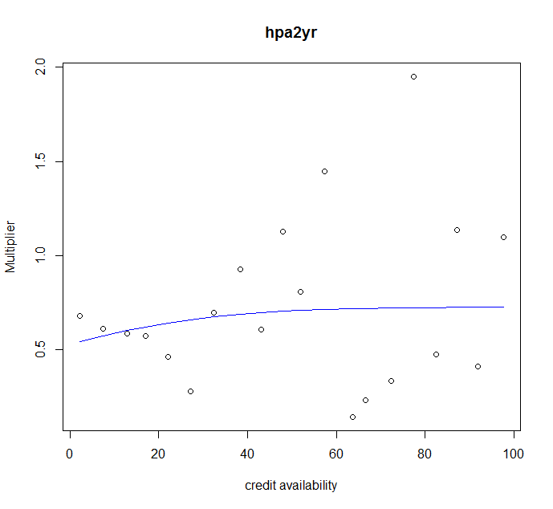
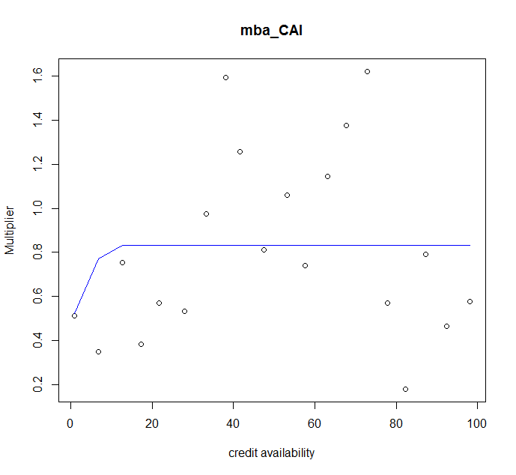
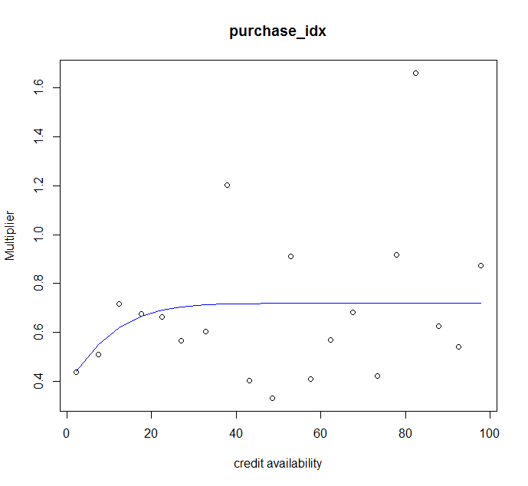
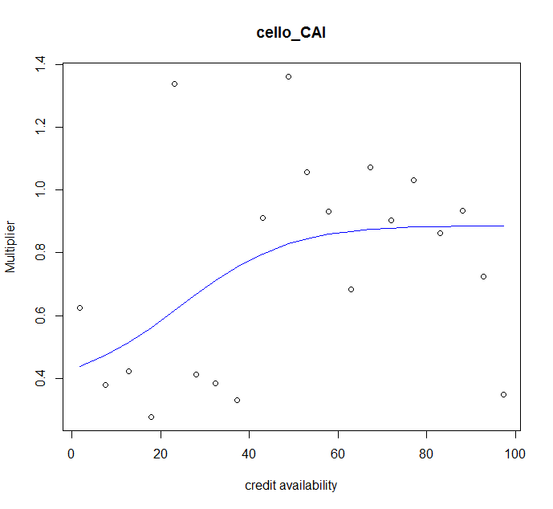

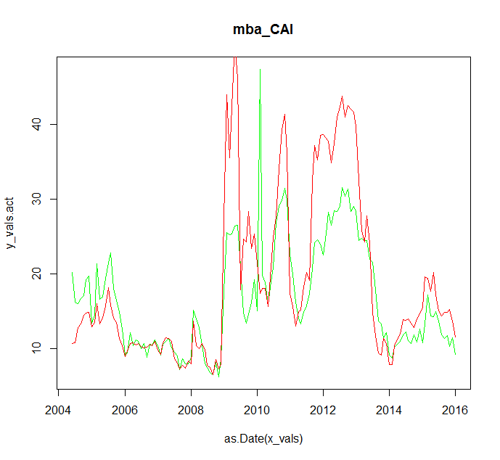
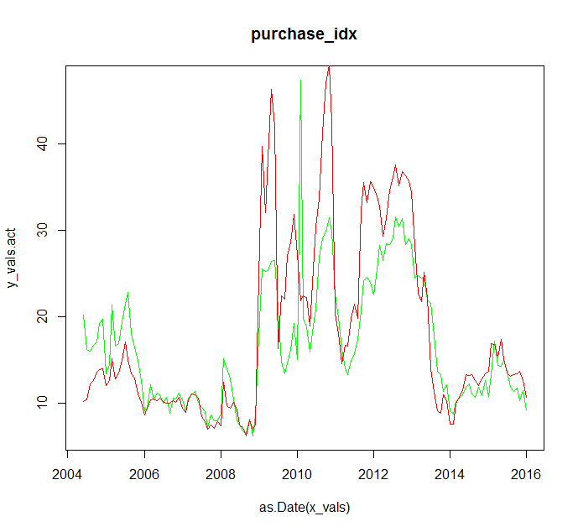
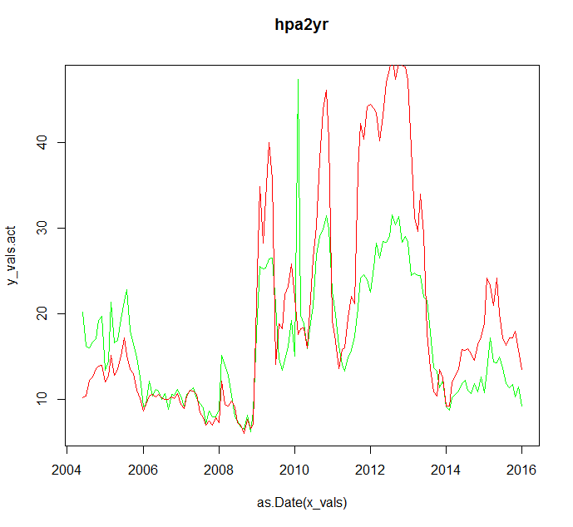
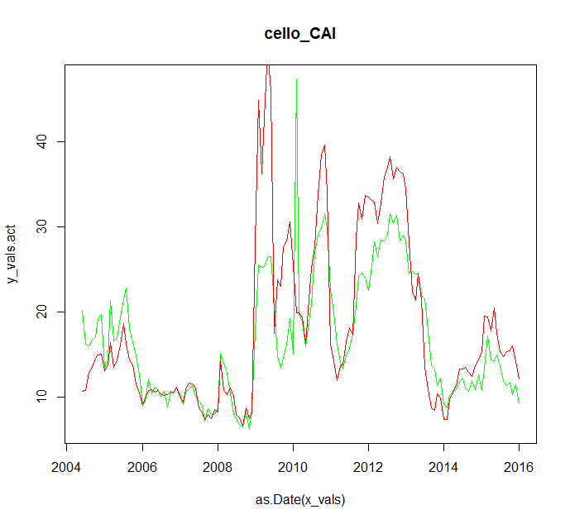

 |  |  |  | 0.07847401
 | 0.07883937 |  |  |  |  | 0.07839255
0.07966667

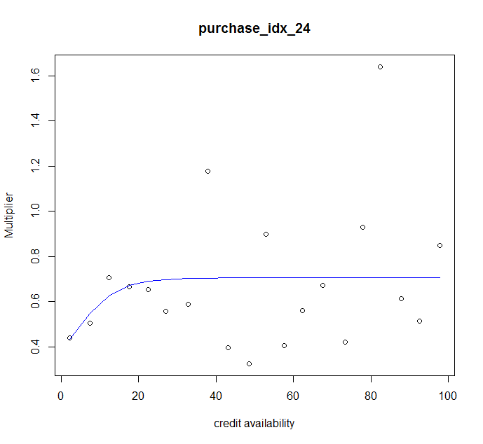
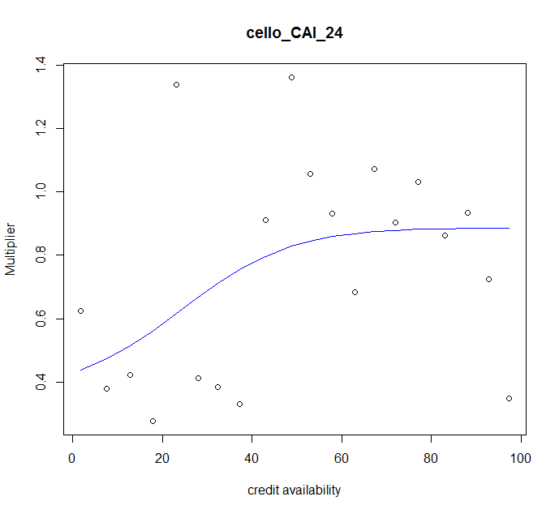
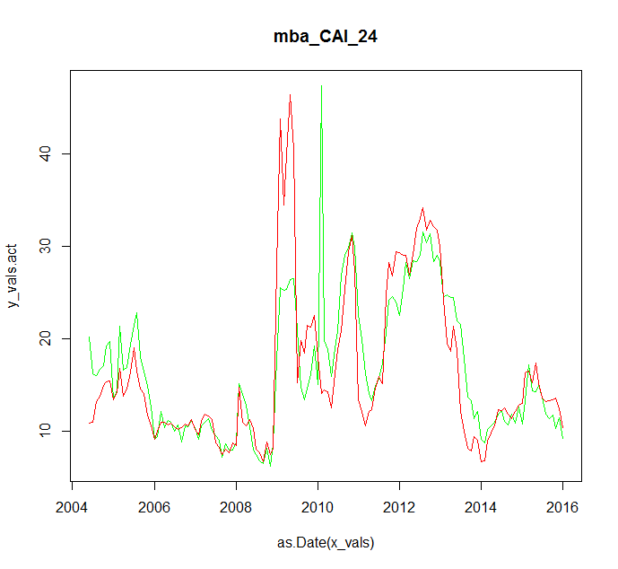
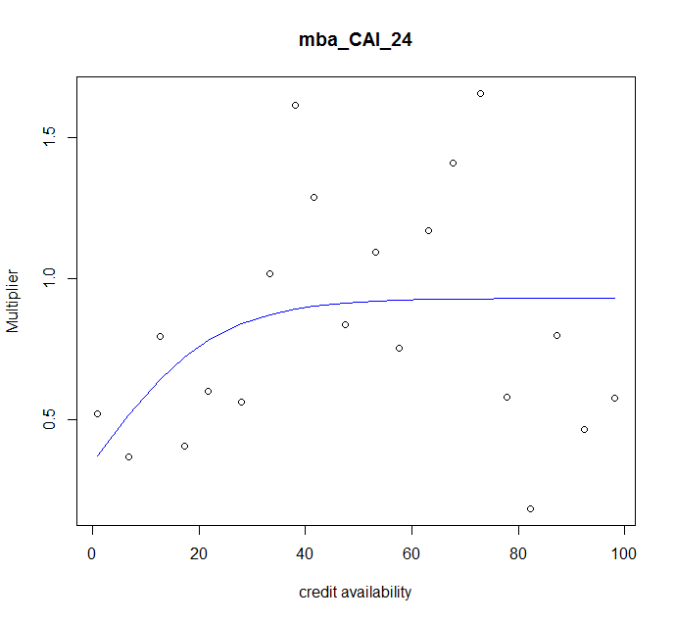
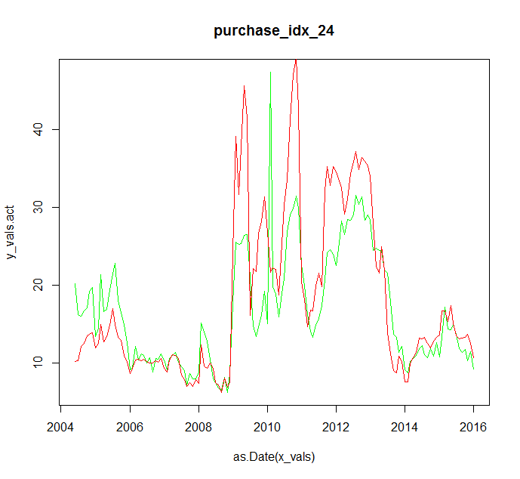
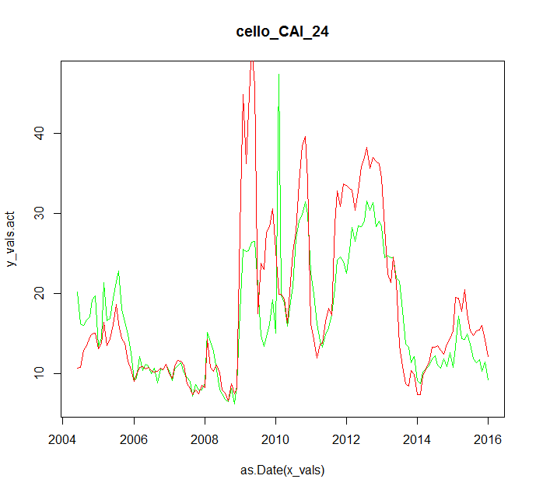

 |  |  |  |  | 0.07841302
 |  | 0.07757413 |  |  |  |  | 0.07839255

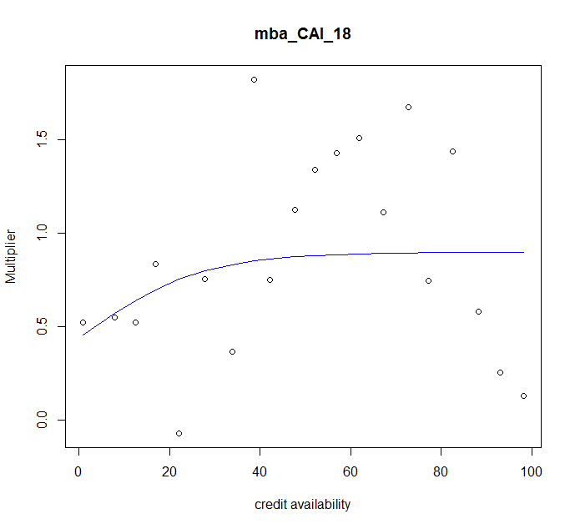
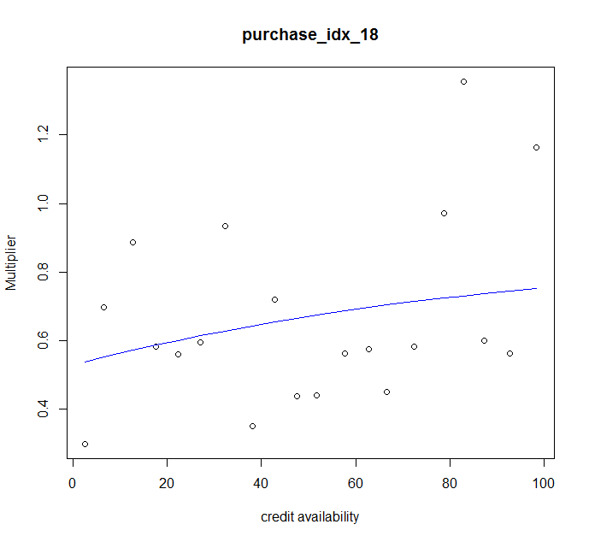
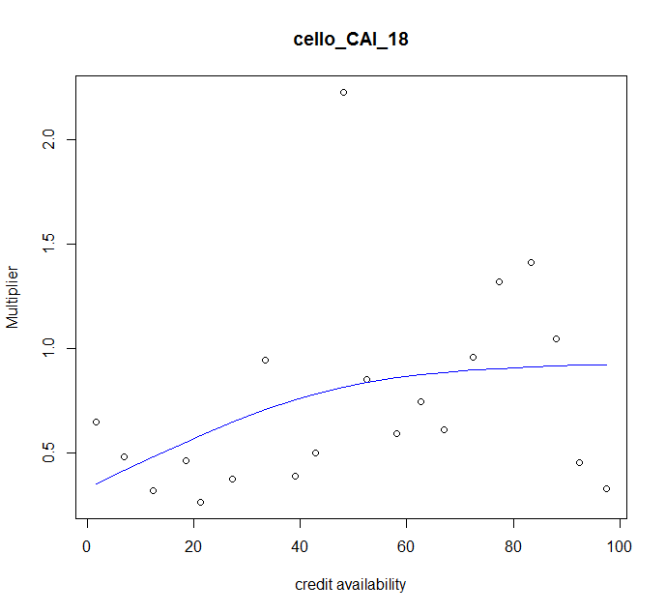
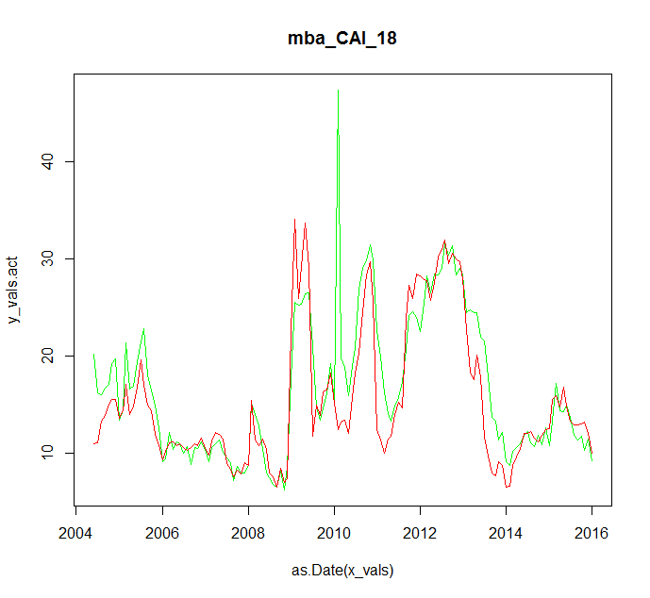
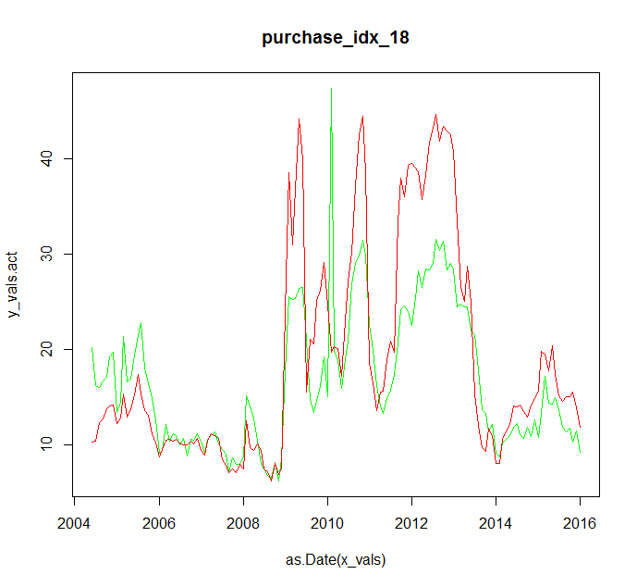
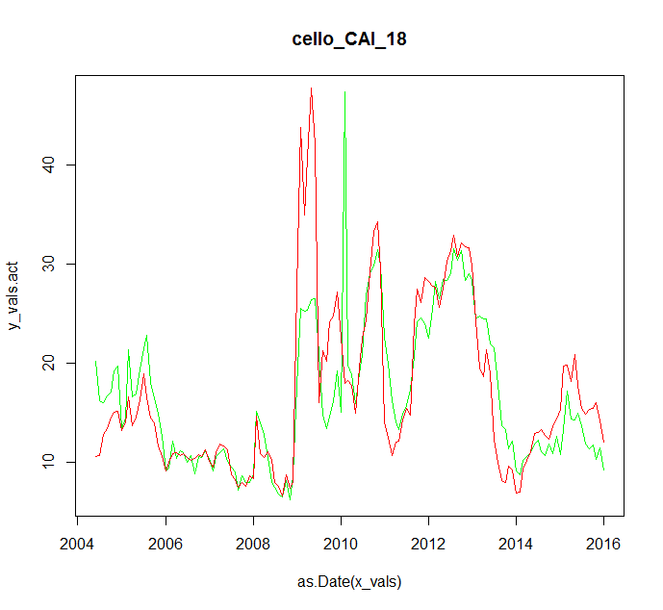

 |  | 0.07708012 |  |  | 0.07878796
 |  |  |  |  |  |  | 0.07776851
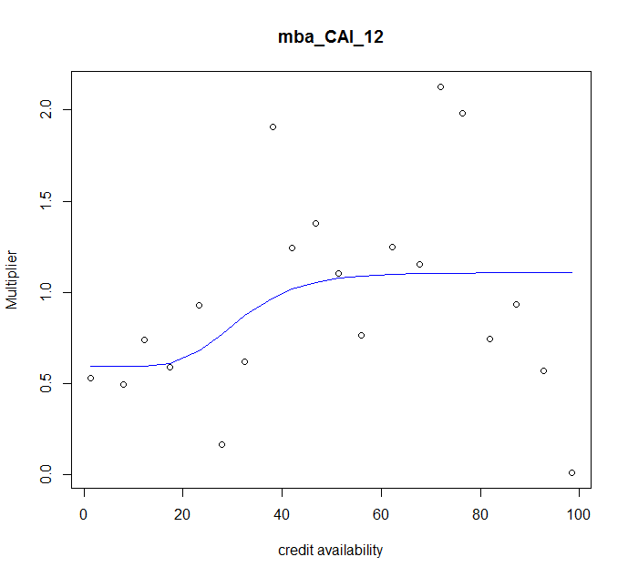
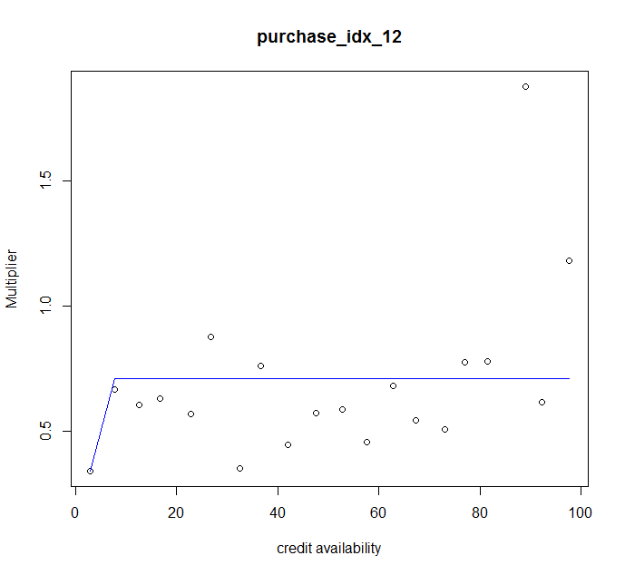
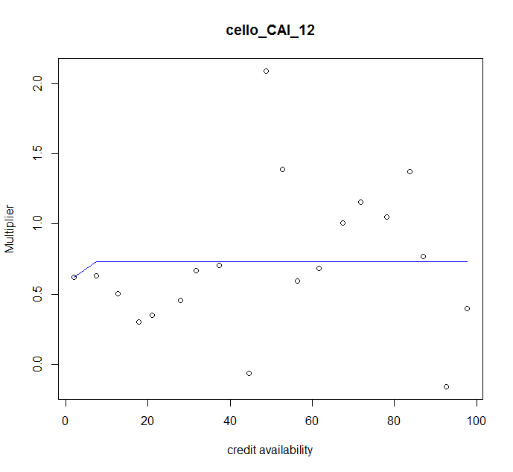
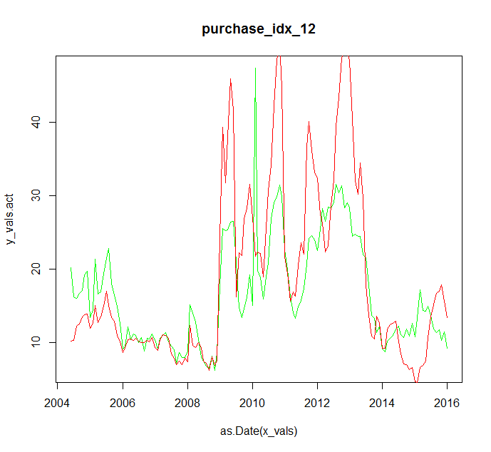
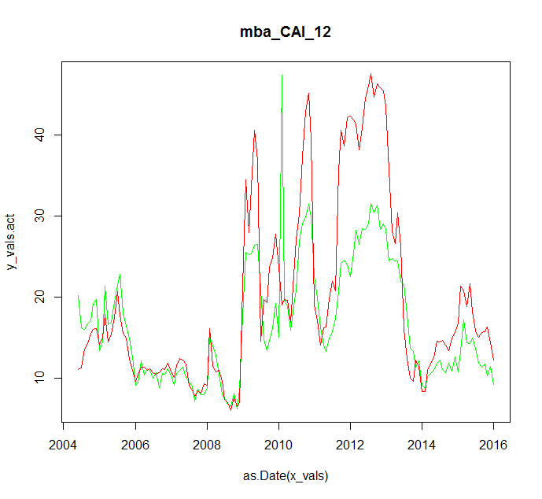
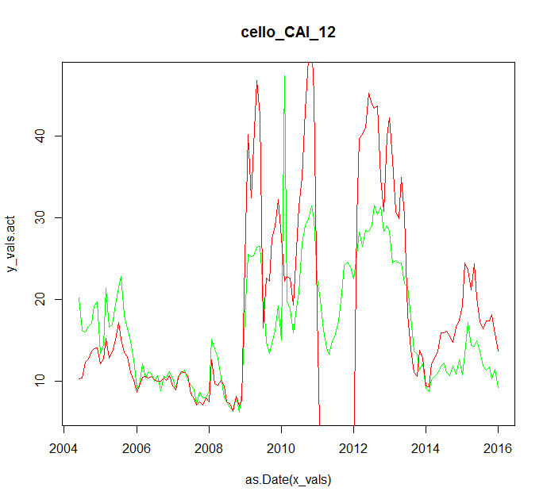

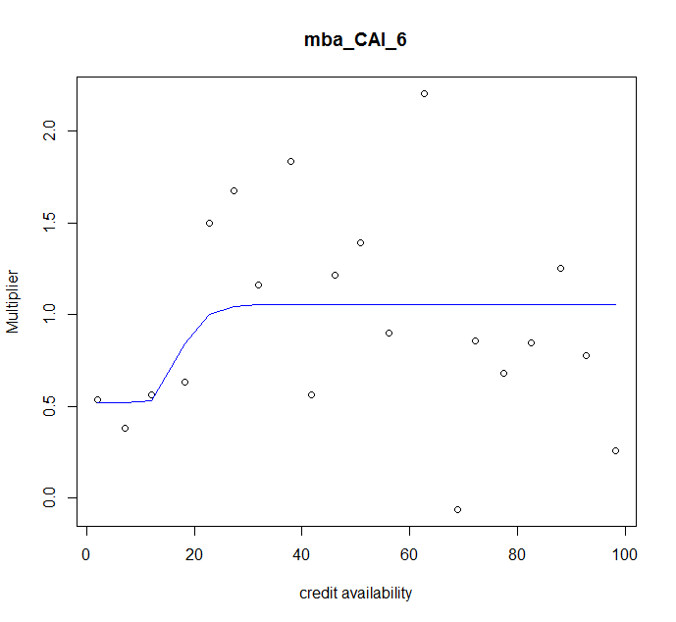
 |  |  | 0.07915109 |  | 0.07915551
 |  |  |  |  |  |  | 0.08624112
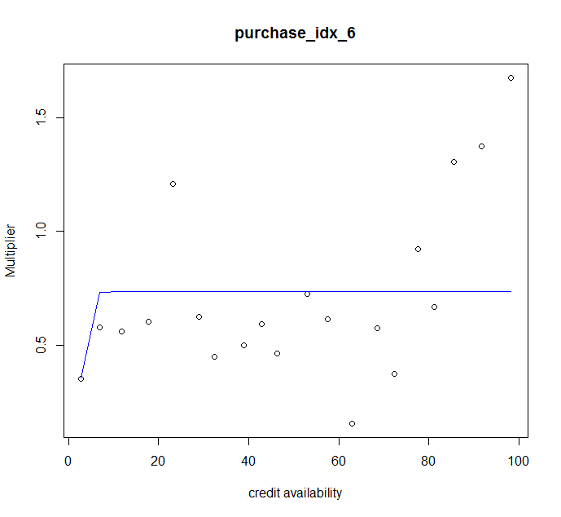
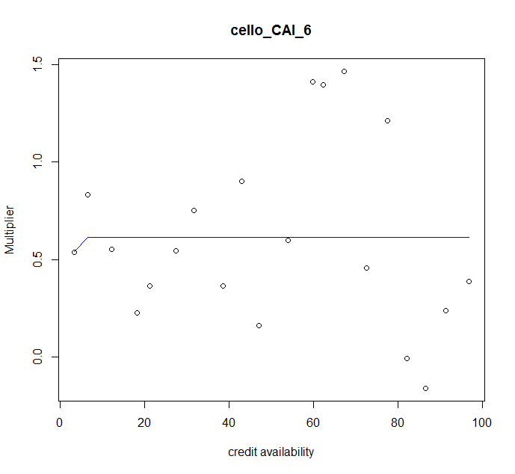
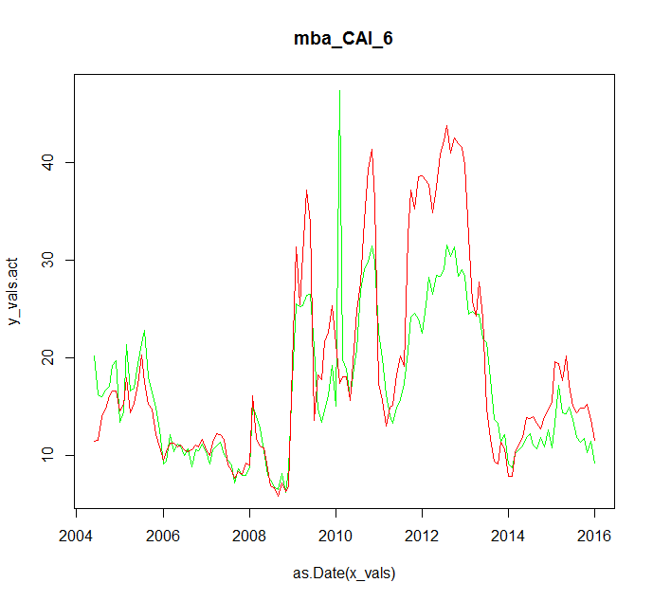
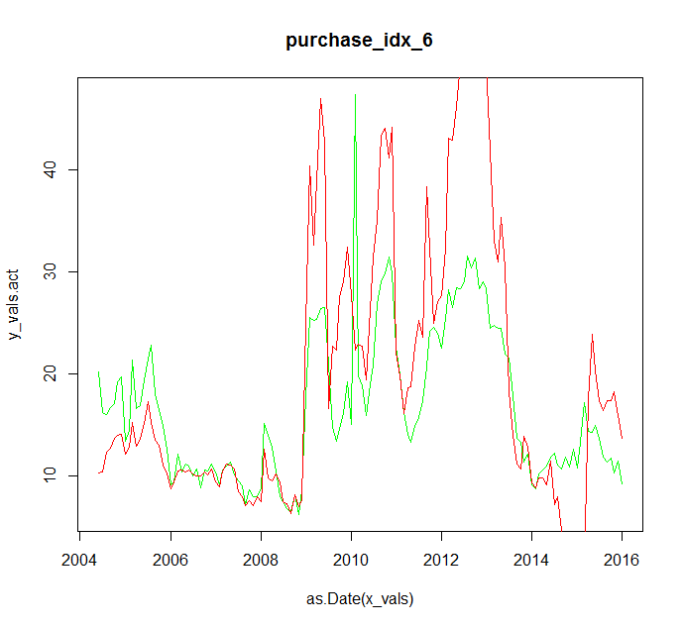
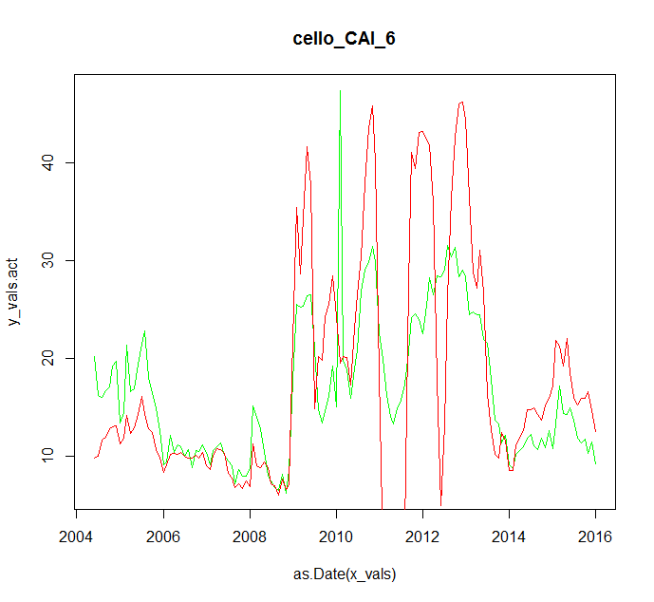

 |  |  | 0.07833318 |  | 0.08070103
 |  |  |  |  |  |  | 0.1008529

